Service Price List
FLEX Service
Price List
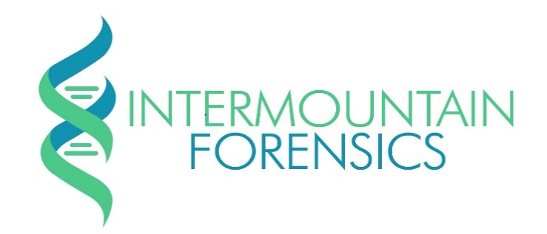

Intermountain Forensics Case Number:
Client Name:
Client Case Number:
Case Completion Date:
Intermountain Forensics |  |  | 801-904-2230
4885 South 900 East, Suite 300 Salt Lake City UT 84117 |  |  | www.intermountainforensics.com
Preliminary DNA Screening
DNA Extraction and Quantification (including quantification for Male DNA)
Description | Qty | Price | Subtotal
Evidence Item (Non-Differential) |  | $289.00
Sexual Assault Evidence Item (Differential) |  | $308.00

Screening - Add On Services
Pre-processing and serology
Description | Qty | Price | Subtotal
M-Vac Sampling |  | $256.00
Bone / Teeth Pre-Processing |  | $127.00
Saliva Identification (RSID - Saliva) |  | $35.00
Seminal Fluid Identification (RSID - Seminal Fluid) |  | $34.00

Forensic DNA Profile - Next Generation Sequencing*
DNA Profile developed with Next Generation Sequencing
Description | Qty | Price | Subtotal
Identity - Evidence Item (DNA Signature)** |  | $771.00
Identity - Sexual Assault Evidence Item (DNA Signature)** |  | $926.00
Identity / Phenotype / Ancestry - Evidence Item (DNA Signature Plus)*** |  | $875.16
*Preliminary DNA Screening Charges are waived for this service
**DNA Signature includes 27 Short Tandem Repeat (STR), 24 Y-Chromosome STR (YSTR), 7 X-Chromosome STR (XSTR) and 95 Identity Single Nucleotide Polymorphisms (iSNP)
***DNA Signature Plus includes 27 STR, 24 YSTR, 7 XSTR, 95 iSNP plus 22 Phenotypic SNPs (hair color, eye color) and 56 Biogeographical Ancestry SNPs

Sexual Assault Kit Evidence Processing*
DNA profile developed with traditional forensic DNA STR (Globalfiler, Investigator 24plex, Powerplex 5C or Powerplex 6c)
Description | Qty | Price | Subtotal
Sexual Assault Kit - Negative |  | $439.00
Sexual Assault Kit - Positive |  | $880.00
Sexual Assault Kit - Volume Processing† |  | $758.00
*Preliminary DNA Screening Charges are waived for this service
† Volume Processing reserved for sexual assault kits submitted in quantities of 30 or more, negative and positive cases are charged at the same rate

Forensic DNA Profile - Traditional Short Tandem Repeats (STR)*
DNA profile developed with traditional forensic DNA STR (Globalfiler, Investigator 24plex, Powerplex Fusion or Powerplex Fusion 6C)
Description | Qty | Price | Subtotal
Traditional Identity - Evidence Item |  | $531.00
Traditional Identity - Known Sample |  | $259.68
Traditional Identity - Sexual Assault Evidence Item |  | $581.00
*Preliminary DNA Screening Charges are waived for this service

Hourly Rates
Consultation and testimony hourly rate
Description | Qty | Price | Subtotal
Testimony‡ |  | $150.00
Case Consultation◊ |  | $-
Case Review |  | $150.00
‡ Testimony hourly rate includes travel, wait time and actual testimony (8 hours max/day)
◊Pre-submision (1 hr), preliminary screening (1 hr) and post case consultation (1 hr) free of charge, additional time charged as case review

Case Total Charges
 |  | Total

Case Evidence and DNA extracts will be returned no less than 60 days after the completion of the case; shipping charges will be billed to client
E-mail info@intermountainforensics.com for questions and/or assistance

